Sheet1
Shortest route on "big" graph

Consider the problem of finding the shortest path from node 1 to all other nodes in the following undirected graph:
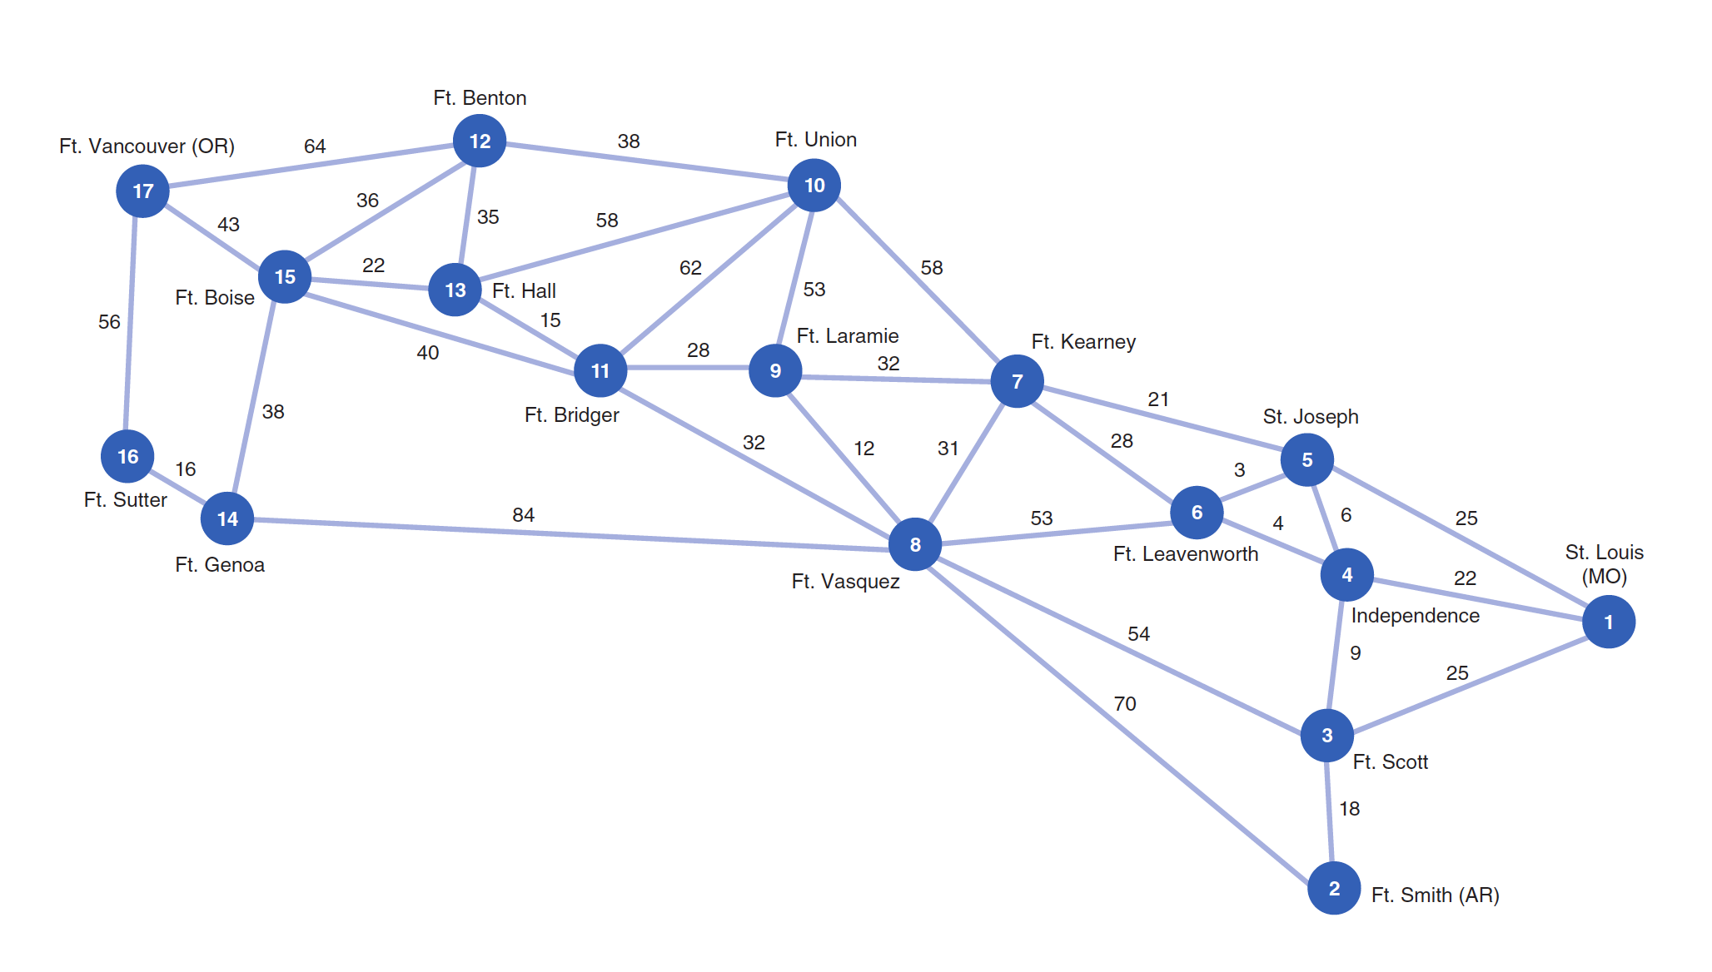

 |  |  | 0

Using the approach of writing the adjacency matrix and multiplying it by the edge distances makes Excel exceed the 200 variables limit.
Instead, we can reorganize the edges to avoid defining too many variables.

Table with possible edges (notation only): |  |  |  |  |  |  |  | Table with edges distances:
Node | Edges from the node present in the graph |  |  |  |  |  |  | Node | Edges from the node present in the graph
1 | x(1,3) | x(1,4) | x(1,5) |  |  |  |  | 1 | 25 | 22 | 25
2 | x(2,3) | x(2,8) |  |  |  |  |  | 2 | 18 | 70
3 | x(3,1) | x(3,2) | x(3,4) | x(3,8) |  |  |  | 3 | 25 | 18 | 9 | 54
4 | x(4,1) | x(4,3) | x(4,5) | x(4,6) |  |  |  | 4 | 22 | 9 | 6 | 4
5 | x(5,1) | x(5,4) | x(5,6) | x(5,7) |  |  |  | 5 | 25 | 6 | 3 | 21
6 | x(6,4) | x(6,5) | x(6,7) | x(6,8) |  |  |  | 6 | 4 | 3 | 28 | 53
7 | x(7,5) | x(7,6) | x(7,8) | x(7,9) | x(7,10) |  |  | 7 | 21 | 28 | 31 | 32 | 58
8 | x(8,2) | x(8,3) | x(8,6) | x(8,7) | x(8,9) | x(8,11) | x(8,14) | 8 | 70 | 54 | 53 | 31 | 12 | 32 | 84
9 | x(9,7) | x(9,8) | x(9,10) | x(9,11) |  |  |  | 9 | 32 | 12 | 53 | 28
10 | x(10,7) | x(10,9) | x(10,11) | x(10,12) | x(10,13) |  |  | 10 | 58 | 53 | 62 | 38 | 58
11 | x(11,8) | x(11,9) | x(11,10) | x(11,13) | x(11,15) |  |  | 11 | 32 | 28 | 62 | 15 | 40
12 | x(12,10) | x(12,13) | x(12,15) | x(12,17) |  |  |  | 12 | 38 | 35 | 36 | 64
13 | x(13,10) | x(13,11) | x(13,12) | x(13,15) |  |  |  | 13 | 58 | 15 | 35 | 22
14 | x(14,8) | x(14,15) | x(14,16) |  |  |  |  | 14 | 84 | 38 | 16
15 | x(15,11) | x(15,12) | x(15,13) | x(15,14) | x(15,17) |  |  | 15 | 40 | 36 | 22 | 38 | 43
16 | x(16,14) | x(16,17) |  |  |  |  |  | 16 | 16 | 56
17 | x(17,12) | x(17,15) | x(17,16) |  |  |  |  | 17 | 64 | 43 | 56

Variables |  |  |  |  |  |  |  | Flow constraints
Node | Edges from node present in the graph |  |  |  |  |  |  | Node | In | Out | Flow | Constraint | Value
1 | 2 | 2 | 12 |  |  |  |  | 1 | 0 | 16 | -16 | = | -16
2 | 0 | 0 |  |  |  |  |  | 2 | 1 | 0 | 1 | = | 1
3 | 0 | 1 | 0 | 0 |  |  |  | 3 | 2 | 1 | 1 | = | 1
4 | 0 | 0 | 0 | 1 |  |  |  | 4 | 2 | 1 | 1 | = | 1
5 | 0 | 0 | 0 | 11 |  |  |  | 5 | 12 | 11 | 1 | = | 1
6 | 0 | 0 | 0 | 0 | 0 |  |  | 6 | 1 | 0 | 1 | = | 1
7 | 0 | 0 | 3 | 5 | 2 |  |  | 7 | 11 | 10 | 1 | = | 1
8 | 0 | 0 | 0 | 0 | 0 | 0 | 2 | 8 | 3 | 2 | 1 | = | 1
9 | 0 | 0 | 0 | 4 |  |  |  | 9 | 5 | 4 | 1 | = | 1
10 | 0 | 0 | 0 | 1 | 0 |  |  | 10 | 2 | 1 | 1 | = | 1
11 | 0 | 0 | 0 | 3 | 0 |  |  | 11 | 4 | 3 | 1 | = | 1
12 | 0 | 0 | 0 | 0 |  |  |  | 12 | 1 | 0 | 1 | = | 1
13 | 0 | 0 | 0 | 2 |  |  |  | 13 | 3 | 2 | 1 | = | 1
14 | 0 | 0 | 1 |  |  |  |  | 14 | 2 | 1 | 1 | = | 1
15 | 0 | 0 | 0 | 0 | 1 |  |  | 15 | 2 | 1 | 1 | = | 1
16 | 0 | 0 |  |  |  |  |  | 16 | 1 | 0 | 1 | = | 1
17 | 0 | 0 | 0 |  |  |  |  | 17 | 1 | 0 | 1 | = | 1

Total distance |  | 1482

